Didriksons
 |  |  |  |  |  |  |  |  |  |  |  |  |  |  |  |  |  |  |  |  |  |  |  |  |  |  |  |  |  |  |  | 7739 |  | 1,869,630.00 € |  | 934,815.00 €
IMAGE | NAME | CAT | SKU | COLOR | 170 | 32 | 34 | 36 | 38 | 40 | 42 | 44 | 46 | 48 | 50 | 52 | 54 | 56 | XS | S | M | L | XL | XXL | XXXL | S/M | L/XL | 32/34 | 36/38 | 40/42 | 44/46 | QTY | RRP | RRP TTL | WHS | WHS TTL
 | AVON WNS JKT | OUTERWEAR | 501442-070 | Fuchsia |  |  |  | 56 | 150 | 88 | 15 |  |  |  |  |  |  |  |  |  |  |  |  |  |  |  |  |  |  |  |  | 309 | 70.00 € | 21,630.00 € | 35.00 € | 10,815.00 €
 | BLENDA WNS JKT | OUTERWEAR | 503609-000 | No colour |  |  | 13 | 10 | 2 | 5 | 2 | 6 |  |  |  |  |  |  |  |  |  |  |  |  |  |  |  |  |  |  |  | 38 | 140.00 € | 5,320.00 € | 70.00 € | 2,660.00 €
 | LIV WNS SHORTS | BOTTOMS | 503623-060 | Black |  |  |  |  |  |  |  | 44 | 64 | 68 |  |  |  |  |  |  |  |  |  |  |  |  |  |  |  |  |  | 176 | 75.00 € | 13,200.00 € | 37.50 € | 6,600.00 €
 | LIV WNS SHORTS | BOTTOMS | 503623-999 | Dark Night Blue |  |  |  | 19 | 22 | 51 | 71 |  |  |  |  |  |  |  |  |  |  |  |  |  |  |  |  |  |  |  |  | 163 | 75.00 € | 12,225.00 € | 37.50 € | 6,112.50 €
 | THELMA WNS PARKA 6 | OUTERWEAR | 503812-300 | Deep Green |  |  |  |  |  |  |  |  |  |  | 18 | 31 |  |  |  |  |  |  |  |  |  |  |  |  |  |  |  | 49 | 230.00 € | 11,270.00 € | 115.00 € | 5,635.00 €
 | THELMA WNS PARKA 6 | OUTERWEAR | 503812-463 | Pomme Red |  |  |  |  |  |  |  |  |  |  | 19 | 20 |  |  |  |  |  |  |  |  |  |  |  |  |  |  |  | 39 | 230.00 € | 8,970.00 € | 115.00 € | 4,485.00 €
 | THELMA WNS PARKA 6 | OUTERWEAR | 503812-999 | Dark Night Blue |  |  |  |  |  |  |  |  |  |  | 19 | 22 |  |  |  |  |  |  |  |  |  |  |  |  |  |  |  | 41 | 230.00 € | 9,430.00 € | 115.00 € | 4,715.00 €
 | HILMER USX PARKA L | OUTERWEAR | 503819-469 | Dry Pistage |  |  |  |  |  |  |  |  |  |  |  |  |  |  |  |  |  |  |  |  |  |  | 16 |  |  |  |  | 16 | 320.00 € | 5,120.00 € | 160.00 € | 2,560.00 €
 | ANNI WNS JKT | OUTERWEAR | 503879-303 | Peacock green |  |  |  |  |  |  |  |  |  |  |  |  |  |  |  |  |  |  |  |  |  |  |  | 23 | 62 | 15 |  | 100 | 220.00 € | 22,000.00 € | 110.00 € | 11,000.00 €
 | ANNI WNS JKT | OUTERWEAR | 503879-426 | Cloud White |  |  |  |  |  |  |  |  |  |  |  |  |  |  |  |  |  |  |  |  |  |  |  |  |  | 10 | 42 | 52 | 220.00 € | 11,440.00 € | 110.00 € | 5,720.00 €
 | ANDREA WNS PARKA | OUTERWEAR | 503880-303 | Peacock green |  |  |  |  |  |  |  |  |  |  |  |  |  |  |  |  |  |  |  |  |  |  |  | 28 | 65 | 16 |  | 109 | 300.00 € | 32,700.00 € | 150.00 € | 16,350.00 €
 | ANDREA WNS PARKA | OUTERWEAR | 503880-426 | Cloud White |  |  |  |  |  |  |  |  |  |  |  |  |  |  |  |  |  |  |  |  |  |  |  |  |  |  | 33 | 33 |  | 0.00 €
 | AMINA WNS PARKA | OUTERWEAR | 503881-060 | Black |  |  |  |  |  |  |  |  |  |  | 17 | 17 |  |  |  |  |  |  |  |  |  |  |  |  |  |  |  | 34 | 220.00 € | 7,480.00 € | 110.00 € | 3,740.00 €
 | AMINA WNS PARKA | OUTERWEAR | 503881-300 | Deep Green |  |  |  |  |  |  |  |  |  |  | 6 | 17 |  |  |  |  |  |  |  |  |  |  |  |  |  |  |  | 23 | 220.00 € | 5,060.00 € | 110.00 € | 2,530.00 €
 | AMINA WNS PARKA | OUTERWEAR | 503881-467 | Pecan |  |  |  |  |  |  |  |  |  |  | 35 | 56 |  |  |  |  |  |  |  |  |  |  |  |  |  |  |  | 91 | 220.00 € | 20,020.00 € | 110.00 € | 10,010.00 €
 | LOVA WNS COAT L 4 | OUTERWEAR | 504026-021 | Foggy Blue |  |  |  |  |  |  |  |  | 1 |  |  |  |  |  |  |  |  |  |  |  |  |  |  |  |  |  |  | 1 | 300.00 € | 300.00 € | 150.00 € | 150.00 €
 | LOVA WNS COAT L 4 | OUTERWEAR | 504026-397 | Light Beige |  |  |  |  |  |  |  | 13 | 17 |  |  |  |  |  |  |  |  |  |  |  |  |  |  |  |  |  |  | 30 | 300.00 € | 9,000.00 € | 150.00 € | 4,500.00 €
 | LOVA WNS COAT L 4 | OUTERWEAR | 504026-999 | Dark Night Blue |  |  |  |  |  |  |  |  | 11 |  |  |  |  |  |  |  |  |  |  |  |  |  |  |  |  |  |  | 11 | 300.00 € | 3,300.00 € | 150.00 € | 1,650.00 €
 | SERENA WNS PARKA L | OUTERWEAR | 504029-683 | Silver White |  |  |  |  |  |  |  |  |  |  |  |  |  |  |  |  |  |  |  |  |  |  |  | 25 | 23 | 33 | 30 | 111 | 250.00 € | 27,750.00 € | 125.00 € | 13,875.00 €
 | SERENA WNS PARKA L | OUTERWEAR | 504029-691 | Soft Green |  |  |  |  |  |  |  |  |  |  |  |  |  |  |  |  |  |  |  |  |  |  |  | 48 | 41 | 48 | 30 | 167 | 250.00 € | 41,750.00 € | 125.00 € | 20,875.00 €
 | HELEN WNS PARKA | OUTERWEAR | 504033-692 | Canvas Green |  |  |  |  |  |  |  |  | 8 |  |  |  |  |  |  |  |  |  |  |  |  |  |  |  |  |  |  | 8 | 180.00 € | 1,440.00 € | 90.00 € | 720.00 €
 | BODIL WNS JKT | OUTERWEAR | 504036-801 | Soft Pink |  |  | 1 | 2 |  | 1 |  | 2 | 1 |  |  |  |  |  |  |  |  |  |  |  |  |  |  |  |  |  |  | 7 | 150.00 € | 1,050.00 € | 75.00 € | 525.00 €
 | BODIL WNS JKT | OUTERWEAR | 504036-999 | Dark Night Blue |  |  |  |  |  | 1 | 1 | 2 |  |  |  |  |  |  |  |  |  |  |  |  |  |  |  |  |  |  |  | 4 | 150.00 € | 600.00 € | 75.00 € | 300.00 €
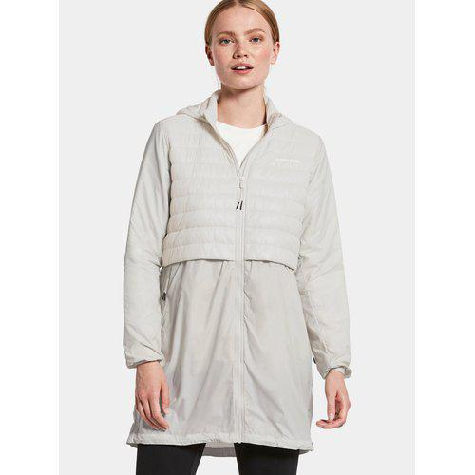 | ISABELLA WNS PARKA | OUTERWEAR | 504071-683 | Silver White |  |  |  |  |  |  |  | 6 | 11 | 8 |  |  |  |  |  |  |  |  |  |  |  |  |  |  |  |  |  | 25 | 160.00 € | 4,000.00 € | 80.00 € | 2,000.00 €
 | ALEXA WNS FZ | OUTERWEAR | 504075-397 | Light Beige |  |  |  |  |  |  |  |  |  |  |  |  |  |  |  |  |  |  |  |  |  |  |  | 28 |  |  | 25 | 53 | 80.00 € | 4,240.00 € | 40.00 € | 2,120.00 €
 | BIOKO USX SET | OUTERWEAR | 504095-050 | Yellow |  |  |  |  |  |  |  |  |  |  |  |  |  |  |  |  | 144 | 138 |  |  |  |  |  |  |  |  |  | 282 | 100.00 € | 28,200.00 € | 50.00 € | 14,100.00 €
 | CRAIG USX SHORTS | BOTTOMS | 504103-355 | Flame |  |  |  |  |  |  |  |  |  |  |  |  |  |  |  | 3 |  | 4 |  | 1 | 8 |  |  |  |  |  |  | 16 | 90.00 € | 1,440.00 € | 45.00 € | 720.00 €
 | CRAIG USX SHORTS | BOTTOMS | 504103-999 | Dark Night Blue |  |  |  |  |  |  |  |  |  |  |  |  |  |  |  |  |  |  |  | 1 | 2 |  |  |  |  |  |  | 3 | 90.00 € | 270.00 € | 45.00 € | 135.00 €
 | SIGRID WNS PARKA | OUTERWEAR | 504127-I01 | Purple Rain |  |  |  | 42 |  |  | 12 |  |  |  |  |  |  |  |  |  |  |  |  |  |  |  |  |  |  |  |  | 54 | 150.00 € | 8,100.00 € | 75.00 € | 4,050.00 €
 | ELSIE WNS PARKA 3 | OUTERWEAR | 504196-801 | Soft Pink |  | 1 |  |  |  |  | 1 | 1 | 10 | 9 |  |  |  |  |  |  |  |  |  |  |  |  |  |  |  |  |  | 22 | 270.00 € | 5,940.00 € | 135.00 € | 2,970.00 €
 | ELSIE WNS PARKA 3 | OUTERWEAR | 504196-999 | Dark Night Blue |  | 8 | 4 |  |  |  |  |  | 5 | 8 |  |  |  |  |  |  |  |  |  |  |  |  |  |  |  |  |  | 25 | 270.00 € | 6,750.00 € | 135.00 € | 3,375.00 €
 | HILMER USX PARKA | OUTERWEAR | 504239-300 | Deep Green |  |  |  |  |  |  |  |  |  |  |  |  |  |  |  |  |  | 1 |  |  |  |  |  |  |  |  |  | 1 | 330.00 € | 330.00 € | 165.00 € | 165.00 €
 | HILMER USX PARKA | OUTERWEAR | 504239-690 | Sabi Orange |  |  |  |  |  |  |  |  |  |  |  |  |  |  |  |  |  |  |  | 1 |  |  |  |  |  |  |  | 1 | 330.00 € | 330.00 € | 165.00 € | 165.00 €
 | HILMER USX JKT 2 | OUTERWEAR | 504240-139 | Opti blue |  |  |  |  |  |  |  |  |  |  |  |  |  |  |  | 9 | 13 | 14 | 14 | 11 | 4 |  |  |  |  |  |  | 65 | 300.00 € | 19,500.00 € | 150.00 € | 9,750.00 €
 | HILMER USX JKT 2 | OUTERWEAR | 504240-300 | Deep Green |  |  |  |  |  |  |  |  |  |  |  |  |  |  |  |  | 1 |  |  |  |  |  |  |  |  |  |  | 1 | 300.00 € | 300.00 € | 150.00 € | 150.00 €
 | HILMER USX JKT 2 | OUTERWEAR | 504240-690 | Sabi Orange |  |  |  |  |  |  |  |  |  |  |  |  |  |  |  | 6 | 11 | 13 | 6 | 1 |  |  |  |  |  |  |  | 37 | 300.00 € | 11,100.00 € | 150.00 € | 5,550.00 €
 | HILMER USX PARKA L 2 | OUTERWEAR | 504241-060 | Black |  |  |  |  |  |  |  |  |  |  |  |  |  |  |  |  |  |  |  |  |  | 96 |  |  |  |  |  | 96 | 350.00 € | 33,600.00 € | 175.00 € | 16,800.00 €
 | HILMER USX PARKA L 2 | OUTERWEAR | 504241-569 | Clay Beige |  |  |  |  |  |  |  |  |  |  |  |  |  |  |  |  |  |  |  |  |  | 36 | 24 |  |  |  |  | 60 | 350.00 € | 21,000.00 € | 175.00 € | 10,500.00 €
 | ELMER USX VEST | OUTERWEAR | 504248-060 | Black |  |  |  |  |  |  |  |  |  |  |  |  |  |  |  |  |  | 12 |  |  |  |  |  |  |  |  |  | 12 | 180.00 € | 2,160.00 € | 90.00 € | 1,080.00 €
 | POVEL USX JKT | OUTERWEAR | 504256-569 | Clay Beige |  |  |  |  |  |  |  |  |  |  |  |  |  |  |  |  | 10 | 10 | 8 | 4 |  |  |  |  |  |  |  | 32 | 280.00 € | 8,960.00 € | 140.00 € | 4,480.00 €
 | LENE WNS PARKA | OUTERWEAR | 504261-300 | Deep Green |  |  | 4 |  |  |  |  |  | 5 |  |  |  |  |  |  |  |  |  |  |  |  |  |  |  |  |  |  | 9 | 350.00 € | 3,150.00 € | 175.00 € | 1,575.00 €
 | LENE WNS PARKA | OUTERWEAR | 504261-999 | Dark Night Blue |  |  | 8 | 2 |  |  |  |  |  |  |  |  |  |  |  |  |  |  |  |  |  |  |  |  |  |  |  | 10 | 350.00 € | 3,500.00 € | 175.00 € | 1,750.00 €
 | FELICIA WNS JKT | OUTERWEAR | 504285-914 | Multicolour |  | 12 | 26 | 35 | 35 | 26 | 15 | 10 | 8 |  |  |  |  |  |  |  |  |  |  |  |  |  |  |  |  |  |  | 167 | 180.00 € | 30,060.00 € | 90.00 € | 15,030.00 €
 | MELLA WNS FZ | OUTERWEAR | 504291-060 | Black |  |  |  |  |  |  |  |  |  |  |  |  |  |  |  |  |  |  |  |  |  |  |  | 36 |  |  |  | 36 | 90.00 € | 3,240.00 € | 45.00 € | 1,620.00 €
 | MELLA WNS FZ | OUTERWEAR | 504291-508 | Cayenne |  |  |  |  |  |  |  |  |  |  |  |  |  |  |  |  |  |  |  |  |  |  |  | 26 |  |  |  | 26 | 90.00 € | 2,340.00 € | 45.00 € | 1,170.00 €
 | MELLA WNS FZ | OUTERWEAR | 504291-600 | White Foam |  |  |  |  |  |  |  |  |  |  |  |  |  |  |  |  |  |  |  |  |  |  |  |  |  | 1 | 5 | 6 | 90.00 € | 540.00 € | 45.00 € | 270.00 €
 | LANA WNS PARKA 2 | OUTERWEAR | 504296-300 | Deep Green |  |  |  |  | 10 |  |  |  | 5 | 1 | 3 |  |  |  |  |  |  |  |  |  |  |  |  |  |  |  |  | 19 | 220.00 € | 4,180.00 € | 110.00 € | 2,090.00 €
 | LANA WNS PARKA 2 | OUTERWEAR | 504296-508 | Cayenne |  |  | 3 |  | 1 |  |  | 10 |  |  |  |  |  |  |  |  |  |  |  |  |  |  |  |  |  |  |  | 14 | 220.00 € | 3,080.00 € | 110.00 € | 1,540.00 €
 | LANA WNS PARKA 2 | OUTERWEAR | 504296-569 | Clay Beige |  |  |  | 1 |  | 1 | 3 |  |  |  |  |  |  |  |  |  |  |  |  |  |  |  |  |  |  |  |  | 5 | 220.00 € | 1,100.00 € | 110.00 € | 550.00 €
 | LEYA WNS PARKA L 2 | OUTERWEAR | 504300-300 | Deep Green |  |  |  |  |  |  | 2 | 2 |  |  |  |  |  |  |  |  |  |  |  |  |  |  |  |  |  |  |  | 4 | 350.00 € | 1,400.00 € | 175.00 € | 700.00 €
 | LEYA WNS PARKA L 2 | OUTERWEAR | 504300-508 | Cayenne |  |  | 4 |  |  |  |  | 1 | 2 | 2 |  |  |  |  |  |  |  |  |  |  |  |  |  |  |  |  |  | 9 | 350.00 € | 3,150.00 € | 175.00 € | 1,575.00 €
 | LEYA WNS PARKA L 2 | OUTERWEAR | 504300-569 | Clay Beige |  |  |  |  |  |  |  | 3 | 6 |  |  |  |  |  |  |  |  |  |  |  |  |  |  |  |  |  |  | 9 | 350.00 € | 3,150.00 € | 175.00 € | 1,575.00 €
 | NOMI WNS JKT 2 | OUTERWEAR | 504304-497 | Ruby Red |  |  |  |  |  |  |  |  |  |  |  |  |  |  |  |  |  |  |  |  |  |  |  | 199 | 294 | 190 | 61 | 744 | 300.00 € | 223,200.00 € | 150.00 € | 111,600.00 €
 | NOMI WNS JKT 2 | OUTERWEAR | 504304-568 | Blue Water |  |  |  |  |  |  |  |  |  |  |  |  |  |  |  |  |  |  |  |  |  |  |  | 12 | 9 | 11 | 12 | 44 | 300.00 € | 13,200.00 € | 150.00 € | 6,600.00 €
 | NOMI WNS JKT 2 | OUTERWEAR | 504304-569 | Clay Beige |  |  |  |  |  |  |  |  |  |  |  |  |  |  |  |  |  |  |  |  |  |  |  |  | 2 | 8 | 7 | 17 | 300.00 € | 5,100.00 € | 150.00 € | 2,550.00 €
 | NOMI WNS PARKA 2 | OUTERWEAR | 504305-497 | Ruby Red |  |  |  |  |  |  |  |  |  |  |  |  |  |  |  |  |  |  |  |  |  |  |  | 204 | 268 | 151 | 47 | 670 | 330.00 € | 221,100.00 € | 165.00 € | 110,550.00 €
 | NOMI WNS PARKA 2 | OUTERWEAR | 504305-569 | Clay Beige |  |  |  |  |  |  |  |  |  |  |  |  |  |  |  |  |  |  |  |  |  |  |  | 89 | 81 | 31 | 26 | 227 | 330.00 € | 74,910.00 € | 165.00 € | 37,455.00 €
 | NOMI WNS PARKA 2 | OUTERWEAR | 504305-S83 | Special Chocolate Brown |  |  |  |  |  |  |  |  |  |  |  |  |  |  |  |  |  |  |  |  |  |  |  | 157 | 73 |  |  | 230 | 330.00 € | 75,900.00 € | 165.00 € | 37,950.00 €
 | ANDREA WNS PARKA 2 | OUTERWEAR | 504308-060 | Black |  |  |  |  |  |  |  |  |  |  |  |  |  |  |  |  |  |  |  |  |  |  |  | 8 | 9 |  |  | 17 | 300.00 € | 5,100.00 € | 150.00 € | 2,550.00 €
 | AINO WNS PARKA 4 | OUTERWEAR | 504309-300 | Deep Green |  |  |  |  |  |  |  |  | 2 | 1 |  |  |  |  |  |  |  |  |  |  |  |  |  |  |  |  |  | 3 | 250.00 € | 750.00 € | 125.00 € | 375.00 €
 | AINO WNS PARKA 4 | OUTERWEAR | 504309-497 | Ruby Red |  |  | 4 | 3 | 5 | 5 | 2 | 1 | 2 |  |  |  |  |  |  |  |  |  |  |  |  |  |  |  |  |  |  | 22 | 250.00 € | 5,500.00 € | 125.00 € | 2,750.00 €
 | AINO WNS PARKA 4 | OUTERWEAR | 504309-508 | Cayenne |  |  | 5 | 12 | 3 | 4 | 2 | 3 | 4 |  |  |  |  |  |  |  |  |  |  |  |  |  |  |  |  |  |  | 33 | 250.00 € | 8,250.00 € | 125.00 € | 4,125.00 €
 | ESKIL USX VEST | OUTERWEAR | 504317-060 | Black |  |  |  |  |  |  |  |  |  |  |  |  |  |  |  |  | 26 | 34 | 1 |  |  |  |  |  |  |  |  | 61 | 160.00 € | 9,760.00 € | 80.00 € | 4,880.00 €
 | TORUN WNS PARKA 2 | OUTERWEAR | 504377-568 | Blue Water |  |  | 48 | 102 | 110 | 85 | 58 | 37 | 20 |  |  |  |  |  |  |  |  |  |  |  |  |  |  |  |  |  |  | 460 | 350.00 € | 161,000.00 € | 175.00 € | 80,500.00 €
 | REMI AOP USX PARKA | OUTERWEAR | 504410-779 | Print-Stone Cold Sea |  |  |  |  |  |  |  |  |  |  |  |  |  |  |  |  |  |  |  |  |  | 27 | 29 |  |  |  |  | 56 | 200.00 € | 11,200.00 € | 100.00 € | 5,600.00 €
 | ARI USX PARKA 2 | OUTERWEAR | 504414-060 | Black |  |  |  |  |  |  |  |  |  |  |  |  |  |  |  |  |  | 3 | 1 | 1 |  |  |  |  |  |  |  | 5 | 500.00 € | 2,500.00 € | 250.00 € | 1,250.00 €
 | ARI USX PARKA 2 | OUTERWEAR | 504414-700 | Murky Green |  |  |  |  |  |  |  |  |  |  |  |  |  |  |  |  | 1 | 2 |  |  |  |  |  |  |  |  |  | 3 | 500.00 € | 1,500.00 € | 250.00 € | 750.00 €
 | GRAND YT RAIN PNT | BOTTOMS | 504426-060 | Black | 2 |  |  |  |  |  |  |  |  |  |  |  |  |  |  |  |  |  |  |  |  |  |  |  |  |  |  | 2 | 55.00 € | 110.00 € | 27.50 € | 55.00 €
 | BIOKO USX PANTS | BOTTOMS | 504435-060 | Black |  |  |  |  |  |  |  |  |  |  |  |  |  |  |  |  |  |  |  | 20 | 9 |  |  |  |  |  |  | 29 | 35.00 € | 1,015.00 € | 17.50 € | 507.50 €
...
IMAGE | NAME | CAT | SKU | COLOR | 170 | 32
 | INDUS WNS JKT 2 | OUTERWEAR | 504949-H08 | Light Moss
 | INDUS WNS JKT 2 | OUTERWEAR | 504949-M02 | Mustard
 | MARISSA WNS PARKA | OUTERWEAR | 504951-600 | White Foam
 | MARISSA WNS PARKA | OUTERWEAR | 504951-M02 | Mustard
 | IKAROS USX JKT | OUTERWEAR | 504955-060 | Black
 | IKAROS USX JKT | OUTERWEAR | 504955-523 | True blue
 | IKAROS USX JKT | OUTERWEAR | 504955-H08 | Light Moss
 | EROS USX JKT | OUTERWEAR | 504960-060 | Black
 | EROS USX JKT | OUTERWEAR | 504960-523 | True blue
 | EROS USX JKT | OUTERWEAR | 504960-H08 | Light Moss
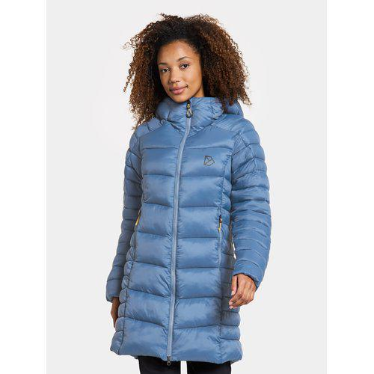 | SERINA WNS PARKA | OUTERWEAR | 505078-523 | True blue
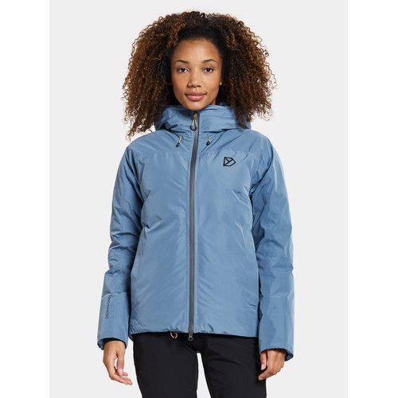 | SIENNA WNS JKT | OUTERWEAR | 504942-523 | True blue
 | ISABELLA WNS PARKA | OUTERWEAR | 504071-683 | Silver White
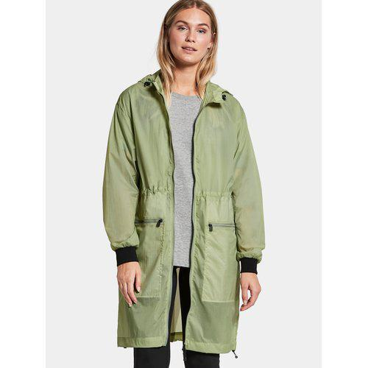 | ATHENA WNS PARKA | OUTERWEAR | 504074-691 | Soft Green

